Readme
Estimation of COVID-19 airborne transmission
Developed by: | Prof. Jose L Jimenez, Dept. of Chem. and CIRES, Univ. of Colorado-Boulder |  |  |  |  | Shortcut: | https://tinyurl.com/covid-estimator
Short description of this tool: |  | https://cires.colorado.edu/news/covid-19-airborne-transmission-tool-available
Using input or feedback from: |  | Linsey Marr, Shelly Miller, Joel Eaves, Giorgio Buonnano, Jarek Kurnitski, Xavier Querol, Matthew McQueen, Lidia Morawska, Ty Newell,
 |  | Andrew Maynard, Nathan Skinner, Clark Vangilder
 |  | (only listing the scientists here, many others have contributed feedback as well over email and Twitter. Thanks a lot to everyone!)
 |  | (Any mistakes are my own)
Version & date | 2.7.4 | 29-Jun-20 | 3-Jul-20 | Additional calculations added to Classroom tab by Andrew Maynard.

How to use the estimator
This online version will be kept up-to-date. People can enter comments (suggestions for changes, parameters etc.) but not make changes as otherwise people would overwrite each other's changes
People interested in using the model should download an Excel version from File --> Download
 | (Ignore Excel Errors in some versions, it still works)
 | The online model will continue to be updated, so you may want to re-download the file later on, if you continue to use it, to get the latest updates
 | See the version log at the bottom of this sheet for a brief description of the updates
Types of cells
 | Inputs are colored in yellow. |  | These are the cells you should change to explore different cases.
 | Descriptions and intermediate calculations are not colored. Do not overwrite the calculations or you will break the estimator.
 | Outputs are colored in blue. |  | These are the final results of the model for each case. Do not overwrite them or you will break the estimator.

Note that in some cases, the case assumes that an infected person is present (e.g. in the classroom). While in other cases we use the prevalence of the disease in the population as
 | an input on the calculations. They can be converted easily, but pay attention to what each specific sheet is doing.

What we are trying to estimate
The propagation of COVID-19 by airborne transmission ONLY
The model is based on a standard model of airborne disease transmission, the Wells-Riley model. It is calibrated to COVID-19 per recent literature on quanta emission rate
This is NOT an epidemiological model, rather it takes input from such models for the average rate of infection for a given location and time period
This model does NOT include droplet or fomite transmission, and assumes that 6 ft / 2 m social distancing is respected. Otherwise higher transmission will result
This model does NOT include transmission to the people present, when they are in locations other than the one analyzed here
The model can easily be adapted to other situations, such as offices, shops etc.

Simplicity and uncertainties
The model is kept simple so that it can be understood and changed easily. The goal is to get the order-of-magnitude of the effects quickly, and to explore the trends.
Several parameters are uncertain, and have been estimated based on current knowledge. Alternative estimates can be entered to explore their effect in the results.
More complex and realistic models can be built, however the parametric uncertainty may still dominate the total uncertainty
Parameters based on new research can be incorporated as they become available. Pls send them my way
Disclaimer: this model is our best scientific estimate, based on the information currently available. It is provided in the hope that it will be useful to others, based on us
 | receiving a large number of requests for this type of information. We trust most the relative risk estimates (when changing parameters such as the type
 | of mask worn) of two runs of the model. We also trust the order-of-magnitude of the risk estimates, if the inputs are correct. The exact numerical results
 | for a given case have more uncertainty and also have to be interpreted statistically. (I.e. if 1000 classrooms or 1000 buses did this, that would be the
 | average number of transmission cases. Any one event may have much fewer or many more transmission cases.)

Suggestions and improvements
Please email me for any suggestions for improvements, additional input data etc. |  |  |  |  | jose.jimenez@colorado.edu

Technical details
The model is based on standard airborne transmission models (Wells-Riley type models), as formulated in Miller et al. 2020, and references therein
 | Miller et al. Skagit Choir Outbreak |  | https://www.medrxiv.org/content/10.1101/2020.06.15.20132027v1
 | Original Wells-Riley model: |  | https://academic.oup.com/aje/article-abstract/107/5/421/58522
 | Buonnano et al. (2020a) |  | https://www.sciencedirect.com/science/article/pii/S0160412020312800
 | Buonnano et al. (2020b) |  | https://www.medrxiv.org/content/10.1101/2020.06.01.20118984v1

All sheets are self-contained, except the University case

For the University case
 | Approximately scaled for a large University in the Western US for the Fall 2020 semester
 | First, results are calculated for a typical classroom ("Classroom Sheet"), assuming either one student or the professor are infected
 |  | Assumes enhanced social distancing and masks in place
 |  | Classroom size does not matter much, since students will scale with it
 | Then, results are scaled to the whole campus ("Campus Sheet"), taking into account the probability of infection in the population

Key parameters, sources, and uncertainties
The most uncertain parameter is the quanta emission rates for SARS-CoV-2
 | See FAQ sheet for the definition of quanta
 | 970 q / h | This is from the Miller et al. choir superspreading case |  |  |  | https://www.medrxiv.org/content/10.1101/2020.06.15.20132027v1
 |  |  | This value is at the high end of the Buonnano et al. values provided below, consistent with this being a superspreading event
 |  |  | which was likely influenced by a very high emission rate of quanta from the specific index case
...
Building ventilation rates
 |  |  | Rp | 10 | L/s/person | From standard
 |  |  | Ra | 0.6 | L/s/m2 | From standard
 |  |  | Occupant density | 0.33452807646 | people / m2 | From standard
 |  |  | Surface area | 83.7 | m2 | For a specific location
 |  |  | Height of room | 3.0487804878 | m | For a specific location
 |  |  | Volume of room | 255.18292683 | m3 | Product of two above, for a specific location
 |  |  | N occupants | 28 | people
 |  |  | Vent Rate | 330.22 | L/s | Calculated according to standard, per values above
 |  |  | Vent. in h-1 | 4.6585875269 | h-1 | This is the parameter you need to enter in the spreadsheet

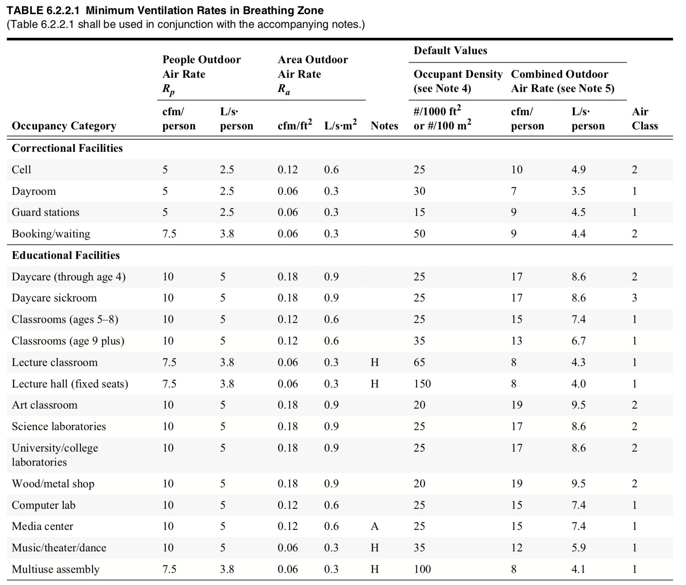

 |  | Standards for other regions should be roughly similar, but follow guidelines from other associations or national governments.

Decay rate of the virus infectivity indoors
 | Literature values in h-1
 | 0.63 | https://www.nejm.org/doi/full/10.1056/nejmc2004973
 | ~0 | https://www.medrxiv.org/content/10.1101/2020.04.13.20063784v1
 | 0.48 | https://academic.oup.com/jid/advance-article/doi/10.1093/infdis/jiaa334/5856149
 |  |  | Online estimator based on above (MISSING UV = 0, which is what should be used in most indoor spaces)
 | 0.2 - 1 | https://www.tandfonline.com/doi/full/10.1080/22221751.2020.1777906

Deposition of virus-containing aerosol to surfaces
...

